Fringe and Health In. Rates
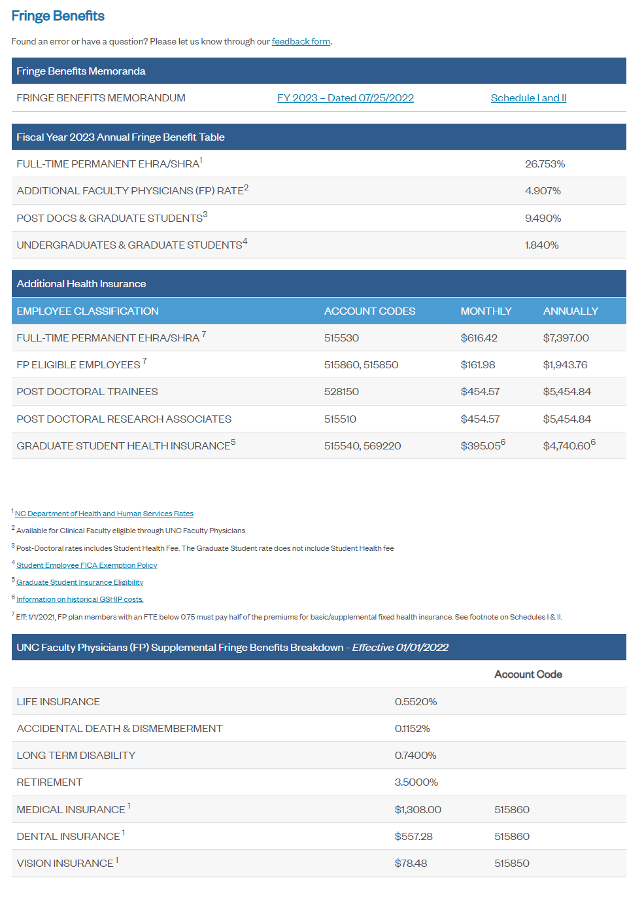
Fringe Benefits |  | Health Insurance Rates
 | % | Year 1 | Year 2: (Y1*1.03)
Full time | 26.753% | 616.42 | 634.91
Additional Faculty Physicians Rate | 4.907% | 161.98 | 166.84
postdoc | 9.490% | 454.57 | 468.21
grad | 1.840% | 395.05 | 406.90
undergrad | 1.840%

Source: OSR Information Sheet
https://research.unc.edu/sponsored-programs/resources/information-sheet/

